Sheet1
DESCRIPTION | MODEL | SIZE | BRAND | COLOR | PRODUCT IMAGE | QUANTITY | WS PRICE | REAL COST | RETAIL PRICE |  | PRICE | REMARK
BALANCE BIKE | 32403K | 12" | KAZAM | ORANGE | 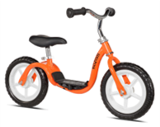 | 1062 | US$38.00 | $26.52 | $59.99 |  | $15.20
BALANCE BIKE | 32402K | 12" | KAZAM | PINK | 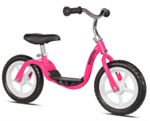 | 729 | US$38.00 | $26.52 | $59.99 |  | $15.20
BALANCE BIKE | 32409K | 12" | kAZAM | BLUE | 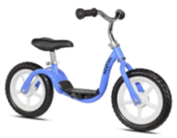 | 390 | US$38.00 | $26.52 | $59.99 |  | $15.20
BALANCE BIKE | 32404K | 12" | kAZAM | RED | 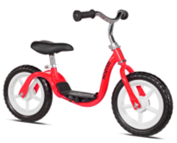 | 214 | US$38.00 | $26.52 | $59.99 |  | $15.20
SINGLE POGO STICK | 99011` | SINGLE | KAZAM | RED/BLK |  | 333 | US$28.00 | $18.36 | $29.99 |  | $9.70
SINGLE POGO STICK | 99014 | SINGLE | KAZAM | BLUE/RED |  | 297 | US$28.00 | $18.36 | $29.99 |  | $9.70
SINGLE POGO STICK | 99015 | SINGLE | KAZAM | PINK/PURPLE |  | 256 | US$28.00 | $18.36 | $29.99 |  | $9.70
DOUBLE POGO STICK | 99976 | DOUBLE | KAZAM | BLUE/GREEN |  | 333 | US$20.00 | $13.93 | $39.99 |  | $9.70
DOUBLE POGO STICK | 99973 | DOUBLE | KAZAM | BLUE/RED |  | 111 | US$20.00 | $13.93 | $39.99 |  | $9.70
CLASSIC CENTER MOUNTED CHILD CARRIER | 37434K | 1-4 YEARS OLD | KAZAM | LIGHT GRAY | 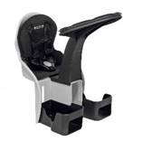 | 1503 | US$36.00 | $23.88 | $49.99 |  | $13.00
CLASSIC CENTER MOUNTED CHILD CARRIER | 37433K | 1-4 YEARS OLD | KAZAM | MINT | 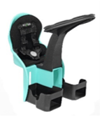 | 896 | US$37.00 | $23.88 | $49.99 |  | $13.00
CLASSIC CENTER MOUNTED CHILD CARRIER | 37430K | 1-4 YEARS OLD | KAZAM | GREEN | 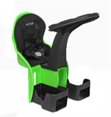 | 608 | US$38.00 | $23.88 | $49.99 |  | $13.00
CLASSIC CENTER MOUNTED CHILD CARRIER | 37429K | 1-3.5 YEARS OLD | KAZAM | DARK GRAY | 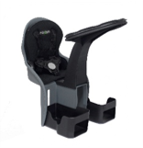 | 263 | US$39.00 | $23.88 | $49.99 |  | $13.00
CLASSIC CENTER MOUNTED CHILD CARRIER | 37428K | 1-3.5 YEARS OLD | KAZAM | LIGHT BLUE | 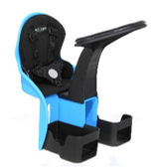 | 601 | US$40.00 | $23.88 | $49.99 |  | $13.00
DELUXE CENTER MOUNTED CHILD CARRIER | 37437K | 1-3.5 YEARS OLD | KAZAM | SLATE | 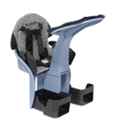 | 1186 | US$45.00 | $30.74 | $59.99 |  | $15.20
DELUXE CENTER MOUNTED CHILD CARRIER | 37432K | 1-3.5 YEARS OLD | KAZAM | DARK GRAY | 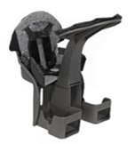 | 78 | US$46.00 | $30.74 | $59.99 |  | $15.20
DELUXE CENTER MOUNTED CHILD CARRIER | 37431K | 1-3.5 YEARS OLD | KAZAM | NAVY BLUE | 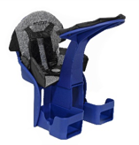 | 592 | US$47.00 | $30.74 | $59.99 |  | $15.20
DELUXE CENTER MOUNTED CHILD CARRIER | 37439K | 1-3.5 YEARS OLD | KAZAM | TEAL | 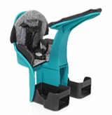 | 837 | US$48.00 | $30.74 | $59.99 |  | $15.20
MULTI SPORT HELMETS CHILD | 97938 | 5 to 8 years old | RAZOR | BLUE | 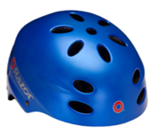 | 10,000 | US$11.95 | $5.58 | $24.99 |  | $6.40
MULTI SPORT HELMETS CHILD | 97780 | 5 to 8 years old | RAZOR | BLACK | 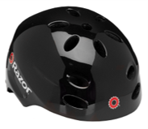 | 15,000 | US$11.95 | $5.58 | $24.99 |  | $6.40
MULTI SPORT HELMETS CHILD | 97959 | 5 to 8 years old | RAZOR | CYAN | 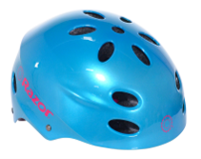 | 2146 | US$11.95 | $5.58 | $24.99 |  | $6.40
MULTI SPORT HELMETS YOUTH | 97957 | 8 to 14 years old | RAZOR | GREEN | 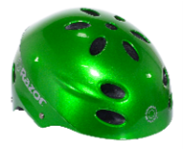 | 2058 | US$11.95 | $5.67 | $24.99 |  | $6.40
MULTI SPORT HELMETS YOUTH | 97778 | 8 to 14 years old | RAZOR | BLACK | 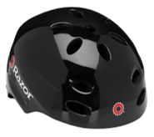 | 4000 | US$11.95 | $5.43 | $24.99 |  | $6.40
MULTI SPORT HELMETS YOUTH | 97791 | 8 to 14 years old | RAZOR | LUCID RED | 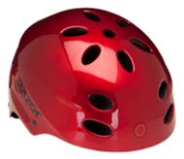 | 6000 | US$11.95 | $5.80 | $24.99 |  | $6.40
MULTI SPORT HELMETS YOUTH | 97047 | 8 to 14 years old | RAZOR | SATIN BLACK HOLOGRAM | 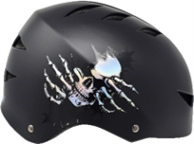 | 692 | US$14.95 | $8.20 | $29.99 |  | $6.40
MULTI SPORT HELMETS ADULT | 97861 | 14 + years old | RAZOR | SATIN GREEN AVACADO | 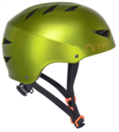 | 2415 | US$11.95 | $6.22 | $41.99 |  | $6.40
MULTI SPORT HELMETS ADULT | 97863 | 14 + years old | RAZOR | SATIN PINK QUARTZ | 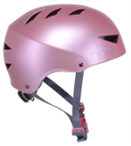 | 1410 | US$11.95 | $6.06 | $41.99 |  | $6.40
MULTI SPORT HELMETS ADULT | 97865 | 14 + years old | RAZOR | SATIN PLUM | 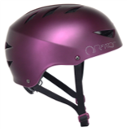 | 2352 | US$11.95 | $6.01 | $41.99 |  | $6.40
MULTI SPORT HELMETS CHILD SEQUIN | 97725 | 5-8 YEARS OLD | LITTLE MISS MATCHED | PINK/BLUE | 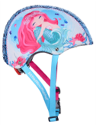 | 9186 | US$14.95 | $7.85 | $29.99 |  | $6.40
MARGARITAVILLE ADULT HELMET | 97050 | 14+ | Margaritaville | WOODGRAIN | 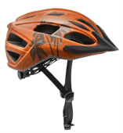 | 671 | US$22.50 | $11.62 | $39.99 |  | $8.60
MARGARITAVILLE ADULT HELMET | 97049 | 14+ | Margaritaville | PINK/MINT | 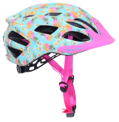 | 576 | US$20.00 | $10.77 | $39.99 |  | $8.60
RAZOR YOUTH FULL FACE HELMET | 97787 | 8 to 14 years old | RAZOR | BLACK CHERRY | 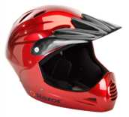 | 2122 | US$22.95 | $10.70 | $59.99 |  | $10.80
RAZOR YOUTH FULL FACE HELMET | 97775 | 8 to 14 years old | RAZOR | BLACK | 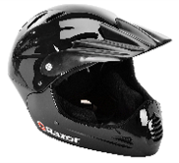 | 1630 | US$22.95 | $10.70 | $59.99 |  | $10.80
RAZOR PROTECTIVE GEAR CHILD PADSET | 96724 | 5 to 8 years old | RAZOR | BLUE | 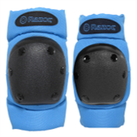 | 603 | US$9.95 | $4.81 | $29.99 |  | $5.25
RAZOR PROTECTIVE GEAR CHILD PADSET | 96725 | 5 to 8 years old | RAZOR | PINK | 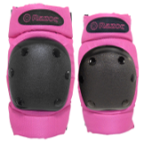 | 891 | US$9.95 | $4.81 | $29.99 |  | $5.25
RAZOR PROTECTIVE GEAR CHILD PADSET | 96726 | 5 to 8 years old | RAZOR | RED | 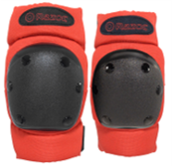 | 576 | US$9.95 | $4.81 | $29.99 |  | $5.25
RAZOR PROTECTIVE GEAR YOUTH 3 PIECE PADSET | 96727 | 8 to 14 years old | RAZOR | BLUE | 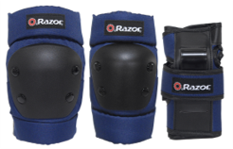 | 1713 | US$11.95 | $5.32 | $29.99 |  | $5.25
RAZOR PROTECTIVE GEAR YOUTH 3 PIECE PADSET | 96728 | 8 to 14 years old | RAZOR | BLUE CAMO | 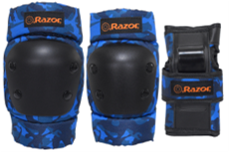 | 1386 | US$11.95 | $5.32 | $29.99 |  | $5.25
RAZOR PROTECTIVE GEAR YOUTH 3 PIECE PADSET | 96729 | 8 to 14 years old | RAZOR | GREEN | 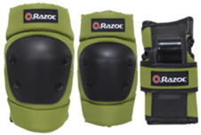 | 1689 | US$11.95 | $5.32 | $29.99 |  | $5.25
26" KENT BAYSIDE LADIES 7 SPEED CRUISER BIKE | 82695 | AGE 14+ | KENT | PURPLE |  | 2711 | US$147.00 | $96.35 | $279.99 |  | $63.75
700c KENT EAGLE RIDGE 21 SPEED GRAVEL ROAD BIKE | 62780 | AGE 14+ | KENT | SILVER | 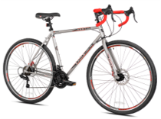 | 1414 | US$225.00 | $146.57 | $249.99 |  | $63.75
20" KENT NIGHTMARE BMX- FREESTYLE BIKE | 42042 | 8+ | KENT | GREEN HIGH GLOSS | 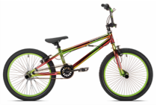 | 1234 | US$129.00 | $84.54 | $154.00 |  | $55.00
20" KENT FANTASY BMX- FREESTYLE BIKE | 42041 | 8+ | KENT | HIGH GLOSS MULTICOLOR | 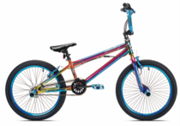 | 1404 | US$129.00 | $86.06 | $148.00 |  | $55.00
700c KENT ROADTECH ROAD BIKE 21.SPEED | 82723 | 14+ | KENT | PURPLE | 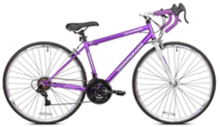 | 1140 | US$175.00 | $114.04 | $198.00 |  | $63.75
26" KENT MONTERY FOLDING 7SPEED ADULT TRIKE | 62610 | 14" | KENT | RED | 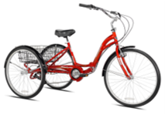 | 436 | US$323.00 | $210.81 | $258.00 |  | $107.75
12" KENT FURTASTIC GIRLS BIKE | 91213 | 2-4 Years OLD | KENT | PINK/BLUE | 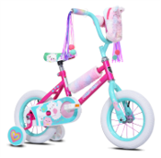 | 632 | US$87.00 | $56.58 | $94.00 |  | $33.00
12" INIVEGA ARROW GIRLS BIKE | 87202 | 2-4 Years OLD | UNIVEGA | SILVER PURPLE | 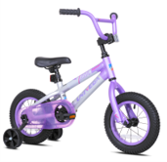 | 162 | US$124.00 | $81.26 | $249.99 |  | $37.25
20" MADD GEAR MG-ONE BMX FREESTYLE BIKE | 2068 | 8+ | MADD GEAR | YELLOW | 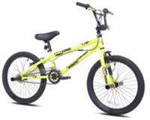 | 3639 | US$109.00 | $71.46 | $148.00 |  | $55.00
24" KENT 2400 7 SPEED MTB | 2413 | 8+ | KENT | TEAL | 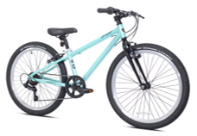 | 708 | US$215.00 | $139.51 | $399.99 |  | $63.75
20" KENT ROCK CANDY 7 SPEED MTB DUAL SUSPENSION GIRLS BIKE | 92087 | 8+ | KENT | MAGENTA | 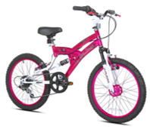 | 532 | US$140.00 | $92.13 | $179.99 | $110.92 | $55.00
20" THRUSTER POWER PRO BMX | 92030 | 8+ | THRUSTER | SILVER GRAY | 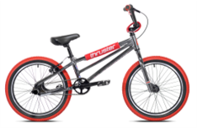 | 609 | US$265.00 | $148.55 | $479.99 | $220.00 | $77.00
 |  |  |  |  |  | 92026 |  | $1,901.40

